Results
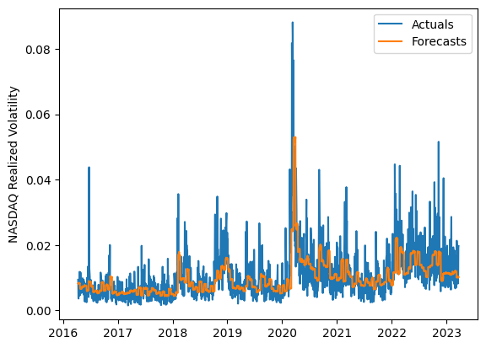
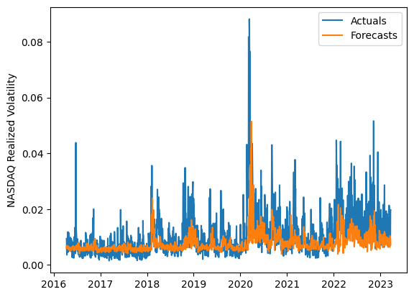
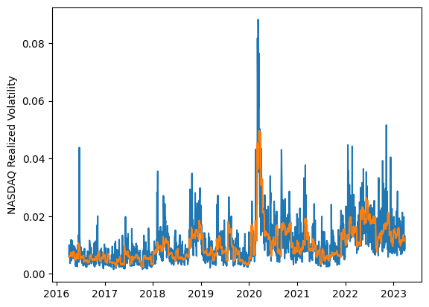
 | LSTM |  |  | TCN |  |  | NBEATSx |  |  |  |  | LSTM |  |  | TCN |  |  | NBEATSx
 | Accuracy | RMSE | Qlike | Accuracy | RMSE | Qlike | Accuracy | RMSE | Qlike |  |  | Accuracy | RMSE | Qlike | Accuracy | RMSE | Qlike | Accuracy | RMSE | Qlike
Trial 1 | 57.42% | 0.40% | 12.68% | 55.96% | 0.44% | 14.22% | 62.01% | 0.38% | 10.90% |  | Mean | 54.12% | 0.414% | 0.139 | 56.43% | 0.444% | 0.144 | 62.43% | 0.379% | 0.114
Trial 2 | 56.88% | 0.40% | 12.78% | 57.53% | 0.42% | 13.23% | 62.76% | 0.38% | 11.33% |  | Standard Deviation | 4.92% | 0.017% | 0.018 | 1.86% | 0.016% | 0.006 | 0.33% | 0.003% | 0.003
Trial 3 | 48.73% | 0.44% | 15.84% | 56.64% | 0.42% | 13.65% | 62.63% | 0.38% | 11.54% |  | 95% CI upper bound | 63.95% | 0.449% | 0.174 | 60.16% | 0.476% | 0.156 | 63.09% | 0.385% | 0.121
Trial 4 | 54.53% | 0.41% | 13.61% | 58.12% | 0.47% | 14.59% | 62.33% | 0.38% | 11.35% |  | 95% CI lower bound | 44.29% | 0.379% | 0.103 | 52.70% | 0.412% | 0.133 | 61.77% | 0.374% | 0.107
Trial 5 | 55.36% | 0.41% | 13.34% | 58.06% | 0.45% | 14.11% | 61.94% | 0.38% | 11.85% |  | 99.7% CI upper bound | 68.87% | 0.466% | 0.192 | 62.02% | 0.492% | 0.161 | 63.42% | 0.387% | 0.124
Trial 6 | 60.95% | 0.40% | 11.74% | 53.45% | 0.43% | 15.01% | 62.49% | 0.38% | 11.16% |  | 99.7% CI lower bound | 39.37% | 0.362% | 0.085 | 50.84% | 0.396% | 0.127 | 61.44% | 0.372% | 0.104
Trial 7 | 56.98% | 0.41% | 12.78% | 57.02% | 0.44% | 14.12% | 62.20% | 0.38% | 11.22%
Trial 8 | 51.42% | 0.42% | 14.78% | 57.30% | 0.46% | 14.54% | 62.01% | 0.38% | 11.35%
Trial 9 | 48.28% | 0.43% | 15.98% | 52.73% | 0.44% | 15.32% | 62.37% | 0.37% | 10.87%
Trial 10 | 58.24% | 0.41% | 12.51% | 56.24% | 0.45% | 14.56% | 62.23% | 0.38% | 11.54%
Trial 11 | 47.78% | 0.44% | 16.17% | 55.58% | 0.44% | 14.73% | 62.87% | 0.38% | 11.16%
Trial 12 | 43.84% | 0.46% | 17.79% | 54.25% | 0.44% | 14.85% | 62.45% | 0.38% | 11.07%
Trial 13 | 55.89% | 0.41% | 13.14% | 55.83% | 0.44% | 14.28% | 62.52% | 0.38% | 11.64%
Trial 14 | 58.17% | 0.40% | 12.41% | 58.81% | 0.48% | 15.13% | 62.49% | 0.38% | 12.04%
Trial 15 | 57.33% | 0.40% | 12.70% | 58.96% | 0.46% | 13.88% | 63.11% | 0.38% | 11.79%

 | LSTM (best trial) |  |  |  |  |  |  |  |  | TCN (best trial) |  |  |  |  |  |  |  |  | NBEATSx (best trial)

